About
 |  | NSSE 2015 Frequencies and Statistical Comparisons About This Report

The Frequencies and Statistical Comparisons report presents item-by-item student responses and statistical comparisons that allow you to examine patterns of similarity and difference between your students and those at your comparison group institutions. The report uses information from all randomly selected or census-administered students. The display below highlights important details in the report to keep in mind when interpreting your results. For more information please visit our website (nsse.indiana.edu) or contact a member of the NSSE team.

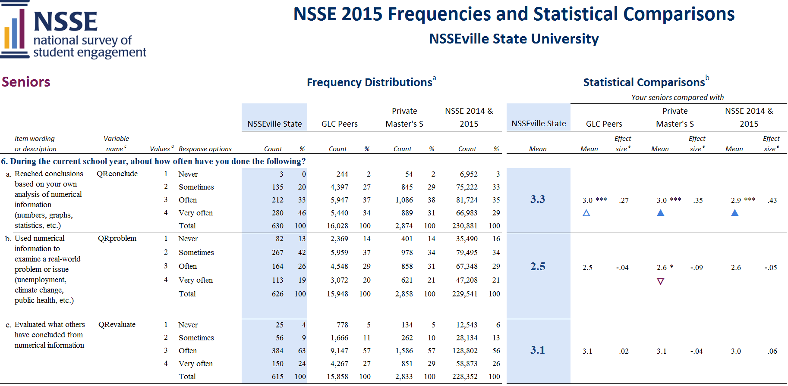
1. | Class level: As reported by your institution.

2. | Item numbers: Numbering corresponds to the survey facsimile included in your Institutional Report and available on the NSSE website.
1

2
3. | Item wording and variable names: Survey items are in the same order and wording as they appear on the instrument. Variable names are included for easy reference to your data file and codebook.
5
6

8
3
SAMPLE
4. | Values and response options: Values are used to calculate means. Response options are worded as they appear on the instrument.

7
5. | Count and column percentage (%): The Count column contains the number of students who selected the corresponding response option. The column percentage is the weighted percentage of students selecting the corresponding response option. Note: Column percentages and statistics are weighted by institution-reported sex and enrollment status. Comparison group statistics are also weighted by institutional size. Counts are unweighted and cannot be used to replicate column percentages. For details visit: nsse.indiana.edu/html/weighting.cfm
4

 |  |  | 7. | Effect size: Effect size indicates practical significance. An effect size of .2 is often considered small, .5 moderate, and .8 large. A positive effect size indicates that your institution’s mean was greater than that of the comparison group, thus showing a favorable result for your institution. A negative effect size indicates your institution lags behind the comparison group, suggesting that the student behavior or institutional practice represented by the item may warrant attention. Effect sizes for independent t-tests use Cohen's d; z-tests use Cohen's h. Cohen's d is calculated by dividing the mean difference by the pooled standard deviation. Cohen's h is calculated by taking the difference in the proportion of students who responded “Done or in progress” after the proportion has been transformed using a non-linear (arcsine) transformation. See: Cohen, J. (1988). Statistical power analysis for the behavioral sciences (2nd edition).New York: Psychology Press.

6. | Statistical comparisons: Items with mean differences that are larger than would be expected by chance are noted with asterisks referring to three significance levels (*p < .05, **p < .01, ***p < .001). Significance levels indicate the probability that an observed difference is due to chance. Statistical significance does not guarantee the result is substantive or important. Large sample sizes tend to generate more statistically significant results even though the magnitude of mean differences may be inconsequential. Consult effect sizes (see #7) to judge the practical meaning of differences. Unless otherwise noted, statistical comparisons are two-tailed independent t-tests. Exceptions are items 11 a-f which are compared using a z-test.

 |  |  | 8. | Key to symbols:
 |  |  |  | ▲ | Your students’ average was significantly higher (p < .05) with an effect size at least .3 in magnitude.
 |  |  |  | △ | Your students’ average was significantly higher (p < .05) with an effect size less than .3 in magnitude.
 |  |  |  | ▽ | Your students’ average was significantly lower (p < .05) with an effect size less than .3 in magnitude.
 |  |  |  | ▼ | Your students’ average was significantly lower (p < .05) with an effect size at least .3 in magnitude.
 |  |  |  | Note: It is important to interpret the direction of differences relative to item wording and your institutional context.

